AAPL
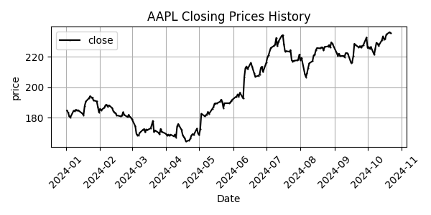
Date | Close Price
2024-01-02 | 184.73
2024-01-03 | 183.35
2024-01-04 | 181.02
2024-01-05 | 180.3
2024-01-08 | 184.66
2024-01-09 | 184.24
2024-01-10 | 185.28
2024-01-11 | 184.69
2024-01-12 | 185.01
2024-01-16 | 182.73
2024-01-17 | 181.79
2024-01-18 | 187.71
2024-01-19 | 190.63
2024-01-22 | 192.94
2024-01-23 | 194.23
2024-01-24 | 193.55
2024-01-25 | 193.22
2024-01-26 | 191.48
2024-01-29 | 190.8
2024-01-30 | 187.12
2024-01-31 | 183.5
2024-02-01 | 185.95
2024-02-02 | 184.94
2024-02-05 | 186.77
2024-02-06 | 188.38
2024-02-07 | 188.49
2024-02-08 | 187.4
2024-02-09 | 188.17
2024-02-12 | 186.48
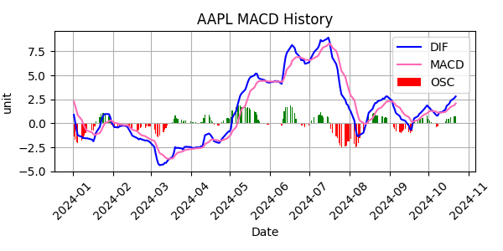
2024-02-13 | 184.37
2024-02-14 | 183.49
2024-02-15 | 183.2
2024-02-16 | 181.65
2024-02-20 | 180.91
2024-02-21 | 181.66
2024-02-22 | 183.71
2024-02-23 | 181.86
2024-02-26 | 180.51
2024-02-27 | 181.97
2024-02-28 | 180.77
2024-02-29 | 180.1
2024-03-01 | 179.01
2024-03-04 | 174.47
2024-03-05 | 169.51
2024-03-06 | 168.51
2024-03-07 | 168.39
2024-03-08 | 170.11
2024-03-11 | 172.13
2024-03-12 | 172.61
2024-03-13 | 170.51
2024-03-14 | 172.38
2024-03-15 | 172
2024-03-18 | 173.09
2024-03-19 | 175.45
2024-03-20 | 178.03
2024-03-21 | 170.75
2024-03-22 | 171.66
2024-03-25 | 170.23
2024-03-26 | 169.1
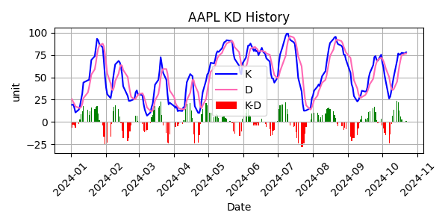
2024-03-27 | 172.69
2024-03-28 | 170.86
2024-04-01 | 169.42
2024-04-02 | 168.23
2024-04-03 | 169.04
2024-04-04 | 168.21
2024-04-05 | 168.97
2024-04-08 | 167.84
2024-04-09 | 169.06
2024-04-10 | 167.18
2024-04-11 | 174.41
2024-04-12 | 175.91
2024-04-15 | 172.07
2024-04-16 | 168.77
2024-04-17 | 167.39
2024-04-18 | 166.44
2024-04-19 | 164.41
2024-04-22 | 165.24
2024-04-23 | 166.3
2024-04-24 | 168.41
2024-04-25 | 169.28
2024-04-26 | 168.69
2024-04-29 | 172.87
2024-04-30 | 169.72
2024-05-01 | 168.69
2024-05-02 | 172.41
2024-05-03 | 182.72
2024-05-06 | 181.05
2024-05-07 | 181.74
2024-05-08 | 182.08
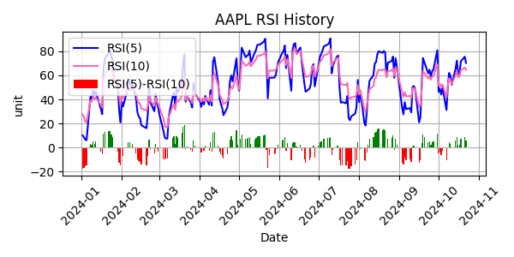
2024-05-09 | 183.9
2024-05-10 | 182.64
2024-05-13 | 185.86
2024-05-14 | 187.01
2024-05-15 | 189.29
2024-05-16 | 189.41
2024-05-17 | 189.44
2024-05-20 | 190.61
2024-05-21 | 191.92
2024-05-22 | 190.47
2024-05-23 | 186.46
2024-05-24 | 189.55
2024-05-28 | 189.56
2024-05-29 | 189.86
2024-05-30 | 190.86
2024-05-31 | 191.82
2024-06-03 | 193.59
2024-06-04 | 193.91
2024-06-05 | 195.43
2024-06-06 | 194.04
2024-06-07 | 196.45
2024-06-10 | 192.68
2024-06-11 | 206.68
2024-06-12 | 212.59
2024-06-13 | 213.76
2024-06-14 | 212.01
2024-06-17 | 216.18
2024-06-18 | 213.81
2024-06-20 | 209.21
2024-06-21 | 207.02
2024-06-24 | 207.67
2024-06-25 | 208.6
2024-06-26 | 212.77
2024-06-27 | 213.62
2024-06-28 | 210.15
2024-07-01 | 216.26
2024-07-02 | 219.77
2024-07-03 | 221.05
2024-07-05 | 225.83
2024-07-08 | 227.31
2024-07-09 | 228.16
2024-07-10 | 232.45
2024-07-11 | 227.06
2024-07-12 | 230.02
2024-07-15 | 233.87
2024-07-16 | 234.29
2024-07-17 | 228.36
2024-07-18 | 223.67
2024-07-19 | 223.8
2024-07-22 | 223.46
2024-07-23 | 224.5
2024-07-24 | 218.05
2024-07-25 | 217
2024-07-26 | 217.47
2024-07-29 | 217.75
2024-07-30 | 218.31
2024-07-31 | 221.58
2024-08-01 | 217.87
2024-08-02 | 219.36
2024-08-05 | 208.8
2024-08-06 | 206.76
2024-08-07 | 209.35
2024-08-08 | 212.83
2024-08-09 | 215.75
2024-08-12 | 217.29
2024-08-13 | 221.03
2024-08-14 | 221.48
2024-08-15 | 224.47
2024-08-16 | 225.8
2024-08-19 | 225.64
2024-08-20 | 226.26
2024-08-21 | 226.15
2024-08-22 | 224.28
2024-08-23 | 226.59
2024-08-26 | 226.93
2024-08-27 | 227.78
2024-08-28 | 226.24
2024-08-29 | 229.54
2024-08-30 | 228.75
2024-09-03 | 222.53
2024-09-04 | 220.61
2024-09-05 | 222.14
2024-09-06 | 220.58
2024-09-09 | 220.67
2024-09-10 | 219.87
2024-09-11 | 222.42
2024-09-12 | 222.53
2024-09-13 | 222.26
2024-09-16 | 216.08
2024-09-17 | 216.55
2024-09-18 | 220.45
2024-09-19 | 228.62
2024-09-20 | 227.95
2024-09-23 | 226.22
2024-09-24 | 227.12
2024-09-25 | 226.12
2024-09-26 | 227.27
2024-09-27 | 227.54
2024-09-30 | 232.74
2024-10-01 | 225.96
2024-10-02 | 226.53
2024-10-03 | 225.42
2024-10-04 | 226.55
2024-10-07 | 221.45
2024-10-08 | 225.52
2024-10-09 | 229.29
2024-10-10 | 228.79
2024-10-11 | 227.3
2024-10-14 | 231.05
2024-10-15 | 233.59
2024-10-16 | 231.53
2024-10-17 | 231.89
2024-10-18 | 234.74
2024-10-21 | 236.22
2024-10-22 | 235.6

